Sheet1
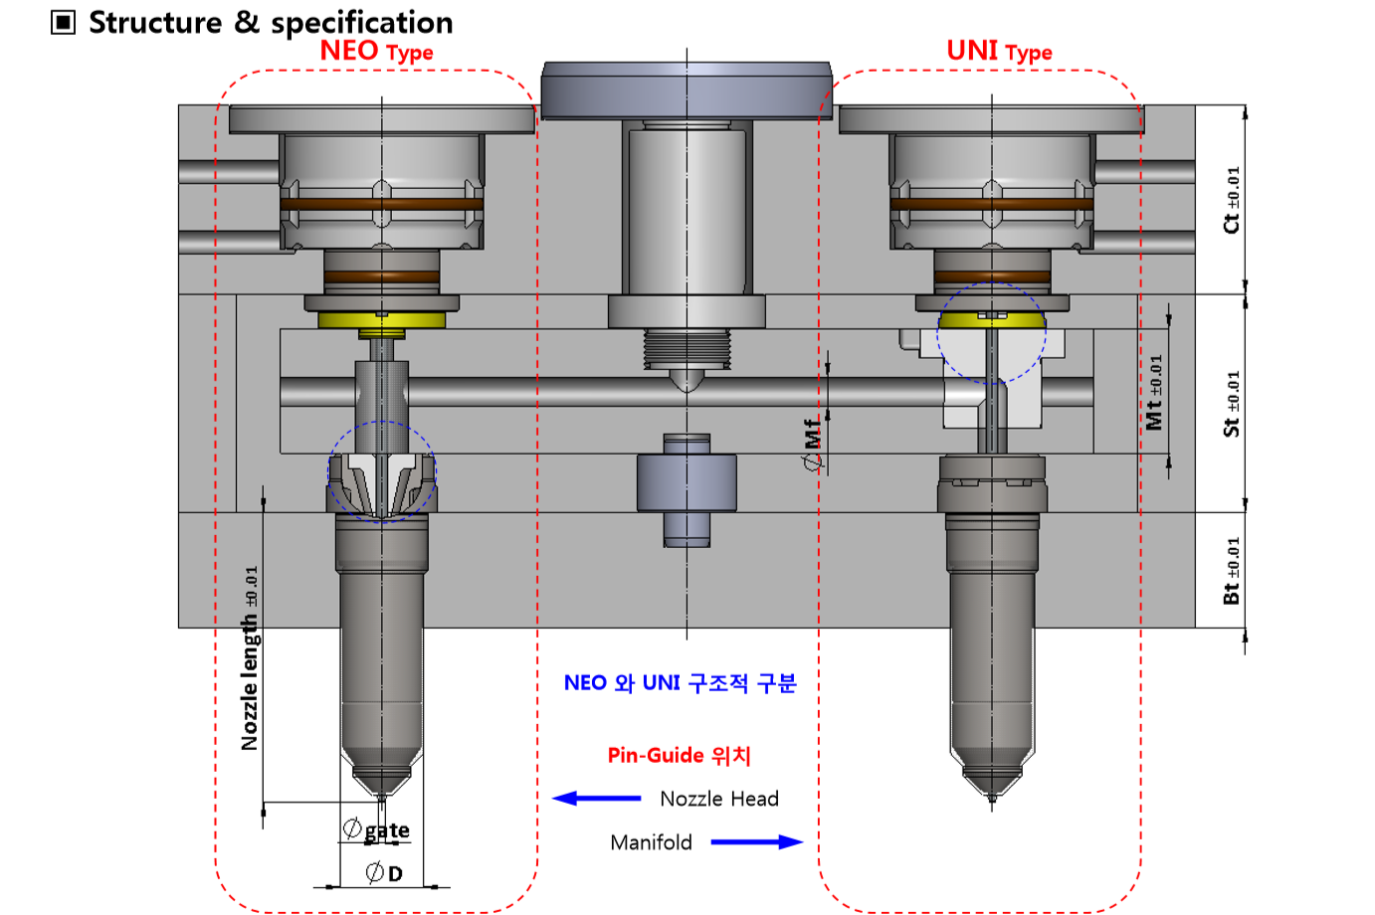

Manufacturing
10mm

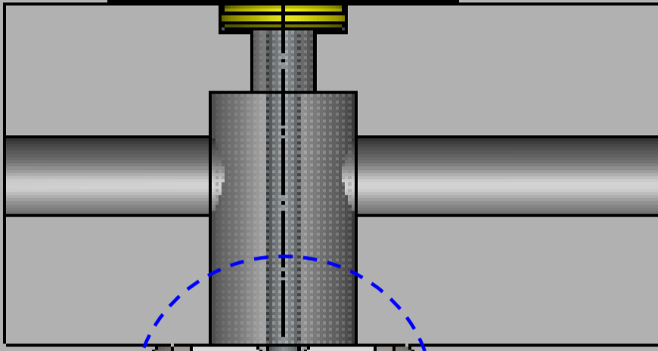
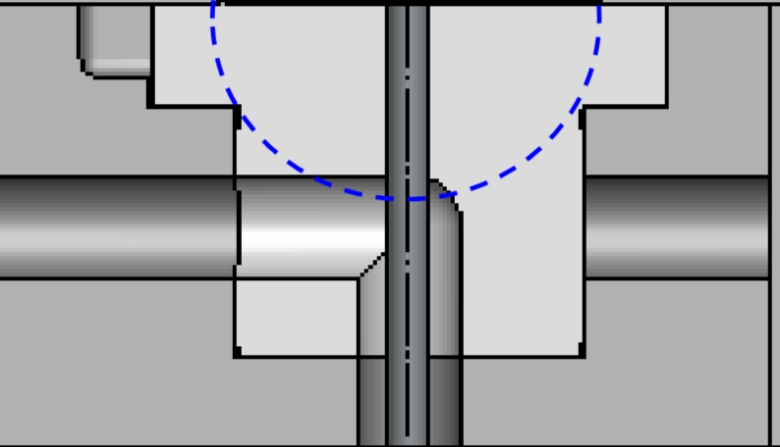

11.5mm

PRESS !!!

 |  |  |  | MANIFOLD -0.01 |  |  |  | RUNNERCORE +0.01

 |  |  |  |  | After disassembling, clean and reassembling, heat it at least 400 degrees and put it in at once.
 |  |  |  |  | There are many problems that cannot be assembled at once because the tolerance is very low.
 |  |  |  |  | Re-purchase of Runnercore must be made when assembly is not possible,

 |  | After processing, add copper.
 |  | need to apply pressure and pull it needs to be pulled down.

PULL !!!

 |  |  |  |  |  |  | After assembling it using a bolt tool, apply pressure to the top.

 |  |  | RUNNERCORE +0.01
MANIFOLD -0.01

 | After disassembling, clean and reassembling, heat it at least 400 degrees and put it in at once.
 | There are many problems that cannot be assembled at once because the tolerance is very low.
 | Re-purchase of Runnercore must be made when assembly is not possible,

 | Sau khi tháo rời, làm sạch và lắp lại, làm nóng nó ít nhất 400 độ và đặt nó vào cùng một lúc.
 | Có nhiều vấn đề không thể lắp ráp cùng một lúc vì dung sai rất thấp.
 | Việc mua lại Runnercore phải được thực hiện khi không thể lắp ráp,

 |  |  |  |  |  | Direction of assembly of anti-rotation pins is noted.

